TripleA-reno combined labelling
Combined Labelling: Energy performance, Indoor Environmental Quality, Well-being

Building / Apartment |  |  | Szigetszentmiklós, Demonstration building, apartment 2 |  |  |  |  |  |  |  | Date | 25.09.2020
RESULTS OF THE COMBINED LABELLING
Measurement period | Energy efficiency class | Calculated total primary energy use | Calculated delivered energy use | Measured delivered energy use | Share of RES | Average U value | Well-being and Indoor Environmental Quality |  |  | Measured well-being and Indoor Environmental Quality |  |  | Energy performance indicator
Both heating and cooling season | F | 201 | 158.85 | 185 | 0.04 | 1.23 | 58% | Weak |  | 63% | Acceptable |  | A
 |  |  |  |  |  |  |  |  |  |  |  |  | B
 |  | kWh/m2a | kWh/m2a | kWh/m2a | % | W/m2K |  |  |  |  |  |  | C
 |  |  |  |  |  |  |  |  |  |  |  |  | D
Energy performance indicators |  |  |  |  |  |  |  |  |  |  |  |  | E
Number | Name |  |  |  | Unit | Reference / Description |  |  |  |  | Value |  | F
1.1 | Energy efficiency class |  |  |  | - | Align with national energy performance certification (EPBD) |  |  |  |  | F |  | G
1.2 | Calculated total primary energy use |  |  |  | kWh/m²a | Align with EN 15603 and EN ISO 13790, or EN ISO 52000 standard series |  |  |  |  | 201 |  | Well-being and IEQ indicators
1.3.1 | Calculated delivered energy use (fuel) |  |  |  | kWh/m²a | Align with EN 15603 and EN ISO 13790, or EN ISO 52000 standard series |  |  |  |  | 0 |  | 90-100% | Excellent
1.3.2 | Calculated delivered energy use (electricity) |  |  |  | kWh/m²a | Align with EN 15603 and EN ISO 13790, or EN ISO 52000 standard series |  |  |  |  | 0.85 |  | 80-89% | Good
1.3.3 | Calculated delivered energy use (district energy) |  |  |  | kWh/m²a | Align with EN 15603 and EN ISO 13790, or EN ISO 52000 standard series |  |  |  |  | 158 |  | 60-79% | Acceptable
1.3 | Calculated delivered energy use |  |  |  | kWh/m²a | Sum of all calculated delivered energy use |  |  |  |  | 158.85 |  | 50-59% | Weak
1.4.1 | Measured delivered energy use (fuel) |  |  |  | kWh/m²a | Based on measurement or energy bills. Energy consumption without any correction. |  |  |  |  | 0 |  | 0-49% | Very weak
1.4.2 | Measured delivered energy use (electricity) |  |  |  | kWh/m²a | Based on measurement or energy bills. Energy consumption without any correction. |  |  |  |  | 22
1.4.3 | Measured delivered energy use (district energy) |  |  |  | kWh/m²a | Based on measurement or energy bills. Energy consumption without any correction. |  |  |  |  | 163
1.4 | Measured delivered energy use |  |  |  | kWh/m²a | Sum of all measured energy use |  |  |  |  | 185
1.5 | Share of RES |  |  |  | % | Renewable primary energy use divided by total primary energy use |  |  |  |  | 0.04
1.6 | Area weighted average thermal transmittance |  |  |  | W/m2K | Regarding above ground structures. Uavr = ∑Ai*Ui / ∑Ai |  |  |  |  | 1.23

Well-being and IEQ indicators
Number | Name |  |  |  | Unit | Classif. | Reference / Description |  |  |  | Achieved points | Theoretical maximum points
2.1 | Control of the heating system |  |  |  | - | 5 cat | Central (building) temperature control |  |  |  | 5 | 20
2.2 | Control of the cooling system |  |  |  | - | 5 cat | No cooling system |  |  |  | - | -
2.3 | Fresh air flow (mechanical ventilation) per number of occupants |  |  |  | l/s | 3 cat | No mechanical ventilation |  |  |  | - | -
2.4 | Air tightness of windows and doors |  |  |  | - | 3 cat | Good air-tightness: factory-fitted shaped sealing profiles or certification document according to EN 12207 Class 4. |  |  |  | 10 | 10
2.5 | Exterior shading |  |  |  | % | 11 cat | 100% of glazed openings from East to West (except North) have exterior shading |  |  |  | 10 | 10
2.6 | Radiant heating and/or cooling system |  |  |  | % | 2 cat | No radiant heating and/or cooling system, or it operates in rooms less than 50% of the conditioned floor area |  |  |  | 0 | 10
2.7 | Radiant temperature asymmetry |  |  |  | - | 2 cat | Radiant temperature asymmetry meets ISO 7730:2005 Category A or B |  |  |  | 10 | 10
Total |  |  |  |  |  |  |  |  |  |  | 35 | 60

Measured well-being and IEQ indicators
Number | Name |  |  |  | Unit | Classif. | Reference / Description |  |  |  | Achieved points | Theoretical maximum points
3.1 | Operative temperature – heating season |  |  |  | °C | 3 cat | EN 16798-1 Category II |  |  |  | 30 | 30
3.2 | Operative temperature – cooling season |  |  |  | °C | 3 cat | EN 16798-1 Category III |  |  |  | 8 | 15
3.3 | Relative humidity of indoor air is between 30 % and 70 % |  |  |  | % | Y/N | The relative humidity is outside the range of 30 to 70% |  |  |  | 0 | 5
3.4 | CO₂ concentration |  |  |  | ppm | 3 cat | EN 16798-1 Category III / Category IV. |  |  |  | 10 | 20
3.5 | TVOC |  |  |  | μg/m³ | 2 cat | TVOC ≥ 500 μg/m³ |  |  |  | 0 | 10
3.6 | Formaldehyde |  |  |  | ppb | 2 cat | Formaldehyde < 100 μg/m³ |  |  |  | 10 | 10
3.7 | PM2,5 |  |  |  | μg/m³ | 2 cat | PM2.5 < 15 μg/m³ |  |  |  | 5 | 5
3.8 | PM10 |  |  |  | μg/m³ | 2 cat | PM10 ≥ 50 μg/m³ |  |  |  | 0 | 5
Total |  |  |  |  |  |  |  |  |  |  | 63 | 100

Recommendations:
- Thermal insulation of the walls and roof is recommended, which results less heating energy use and improves IEQ (3.1 and 3.2 indicators). - Installing thermostatic valves on the radiators is recommended, which provides room control of the heating system, reduces heating energy use and improves thermal comfort (no more overheating) and well-being (automatic operation). - Installing thermal solar collector system for the whole building is suggested, which reduces energy use of domestic hot water production and increases share of renewable energy sources.

Pictures:

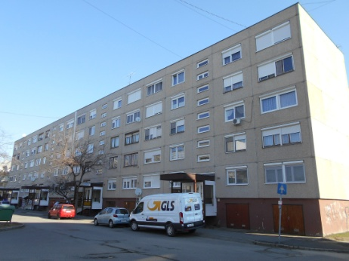
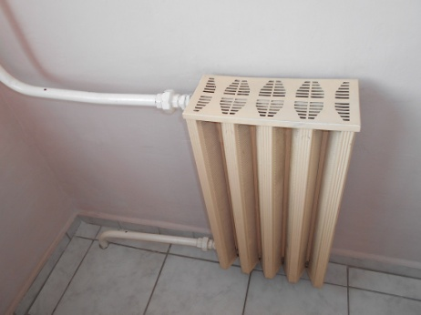
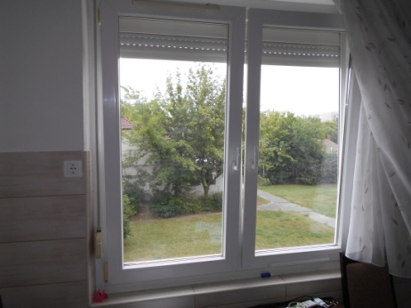

Heating season
Cooling season
Both heating and cooling season

2.1 | No heating system |  |  | -
 | No control |  |  | 0
 | Central (building) temperature control |  |  | 5
 | Apartment temperature control |  |  | 10
 | Room temperature control |  |  | 20

2.2 | No cooling system |  |  | -
 | No control |  |  | 0
 | Central (building) temperature control |  |  | 5
 | Apartment temperature control |  |  | 10
 | Room temperature control |  |  | 20

2.3 | No mechanical ventilation
 | EN 16798-1 category I or category II |  |  | 20
 | EN 16798-1 category III |  |  | 10
 | Less than EN 16798-1 category III |  |  | 0

2.4 | Poor air-tightness: warped, poorly fitted or unsealed windows and doors. |  |  |  |  |  |  |  |  | 0
 | Medium air-tightness: windows and doors with well fitted sealings. |  |  |  |  |  |  |  |  | 5
 | Good air-tightness: factory-fitted shaped sealing profiles or certification document according to EN 12207 Class 4. |  |  |  |  |  |  |  |  | 10

2.5 | 100% of glazed openings from East to West (except North) have exterior shading |  |  |  |  | 10
 | 90-99% of glazed openings from East to West (except North) have exterior shading |  |  |  |  | 9
 | 80-89% of glazed openings from East to West (except North) have exterior shading |  |  |  |  | 8
 | 70-79% of glazed openings from East to West (except North) have exterior shading |  |  |  |  | 7
 | 60-69% of glazed openings from East to West (except North) have exterior shading |  |  |  |  | 6
 | 50-59% of glazed openings from East to West (except North) have exterior shading |  |  |  |  | 5
 | 40-49% of glazed openings from East to West (except North) have exterior shading |  |  |  |  | 4
 | 30-39% of glazed openings from East to West (except North) have exterior shading |  |  |  |  | 3
 | 20-29% of glazed openings from East to West (except North) have exterior shading |  |  |  |  | 2
 | 10-19% of glazed openings from East to West (except North) have exterior shading |  |  |  |  | 1
 | 0-9% of glazed openings from East to West (except North) have exterior shading |  |  |  |  | 0

2.6 | Radiant heating and/or cooling system operates in rooms at least 50% of the conditioned floor area (Adapted from WELL labelling scheme)
 | Radiant heating and/or cooling system operates in rooms at least 50% of the conditioned floor area |  |  |  |  |  |  |  | 10
 | No radiant heating and/or cooling system, or it operates in rooms less than 50% of the conditioned floor area |  |  |  |  |  |  |  | 0

2.7 | Radiant temperature asymmetry (ISO 7730)
 | Radiant temperature asymmetry meets ISO 7730:2005 Category A or B |  |  | 10
 | Radiant temperature asymmetry meets ISO 7730:2005 Category C or worse |  |  | 0

3.1 | Operative temperature – heating season
 | No measured data |  |  | -
 | EN 16798-1 Category II |  |  | 30
 | EN 16798-1 Category III |  |  | 15
 | EN 16798-1 Category IV or worse |  |  | 0

3.2 | Operative temperature – cooling season
 | No measured data |  |  | -
 | EN 16798-1 Category II |  |  | 15
 | EN 16798-1 Category III |  |  | 8
 | EN 16798-1 Category IV or worse |  |  | 0

3.3 | Relative humidity of indoor air is between 30 % and 70 %
 | No measured data |  |  | -
 | Relative humidity of indoor air is between 30% and 70% |  |  | 5
 | The relative humidity is outside the range of 30 to 70% |  |  | 0

3.4 | CO2 concentration
 | No measured data |  |  | -
 | EN 16798-1 Category II |  |  | 20
 | EN 16798-1 Category III / Category IV. |  |  | 10
 | Worse than EN 16798-1 Category IV |  |  | 0

3.5 | TVOC
 | No measured data |  |  | -
 | TVOC < 500 μg/m³ |  |  | 10
 | TVOC ≥ 500 μg/m³ |  |  | 0

3.6 | Formaldehyde
 | No measured data |  |  | -
 | Formaldehyde < 100 μg/m³ |  |  | 10
 | Formaldehyde ≥ 100 μg/m³ |  |  | 0

3.7 | PM2.5
 | No measured data |  |  | -
 | PM2.5 < 15 μg/m³ |  |  | 5
 | PM2.5 ≥ 15 μg/m³ |  |  | 0

3.8 | PM10
 | No measured data |  |  | -
 | PM10 < 50 μg/m³ |  |  | 5
 | PM10 ≥ 50 μg/m³ |  |  | 0

